Table 2
Board of Directors
 Mr. Steve O. Mainda, EBS Chairman Mr. Paul Muthaura Member |  |  Mr. Sammy Makove Commissioner of Insurance & CEO - Member Mr. Moses Buyuka Obonyo Member |  |  Dr. Edward Odundo Member Ms. Chemutai W. Murgor Member |  Prof. Njuguna Ndung’u Member Mr. Maina Murage Member
Ms. Grace Aswani Obati Ngigi Member | Capt. Abdulazi H. Mohamed Member |  | Ms. Margaret Ratemo Representative; Inspectorate of State Corporation - Member |  |  | Mr. Kennedy K. Abuga Alternate to CBK Governor - Member
 |  | 
 |  |  |  | 
 |  |  |  |  |  | 
 |  | 


 |  |  |  | 
 |  |  |  |  |  | 
Foreword Chairman’s Report Pursuant to the provisions of Section 5(2) of the Insurance Act, Cap 487 of the Laws of Kenya; the Authority prepares the annual insurance industry report from the analysis of the audited annual returns and financial statements. This report reflects the performance and financial position of the insurance industry. It is with great pleasure that I present the annual insurance industry report for the year ended 31st December 2013. Kenya’s insurance industry is relatively less developed compared to insurance markets in the developed economies. The Insurance Regulatory Authority is aware of this and has taken a raft of measures to transform the industry and take it to its rightful position. Key among the measures are improving service delivery, creating awareness about the needs and benefits of insurance, conducting consumer education to pass correct messages about insurance and improving public perception. Other specific steps taken include encouraging the development of appropriate and affordable insurance products, standardizing insurance contracts thus making them easy to understand, encouraging modern distribution channels and receiving and addressing public complaints about insurance. Specific mechanisms used by the Authority include the adoption of Risk Based Supervisory (RBS) model, implementation of an Electronic Regulatory System (ERS), Policyholders Compensation Fund (PHCF) and the Insurance Fraud Investigation Unit (IFIU). The Authority is in the process of enhancing its level of compliance with the International Association of Insurance Supervisors (IAIS) standards to achieve regulatory best practices and align the Kenyan insurance industry with international standards.
The Authority, in collaboration with the College of Insurance has over the last two years embarked on training of insurance intermediaries across the Counties. IRA also sponsors five students annually to study actuarial science at the Cass Business School, City University in the UK. The two measures are aimed at enhancing professionalism and building the requisite capacity for the insurance industry in Kenya.
To enhance the distribution of insurance products, community groups, welfare associations and co-operative societies are being encouraged to market and sell insurance to the hitherto uninsured public through micro-insurance. Bancassurance agents have been licensed to tap into the rich databases of banks in order to enhance insurance penetration.
These measures have seen the insurance industry maintain a double digit growth over the last ten years making it one of the fastest growing insurance markets in Africa. It has also seen Kenyan insurers expand into Eastern and Southern Africa through establishment of subsidiaries. Kenya’s insurance industry is also ranked fourth highest in Africa in terms of penetration after South Africa, Namibia and Mauritius. The industry continues to attract foreign direct investment from Africa and the rest of the world.
With the discovery of oil and gas and the heightened incidents of terrorist attacks, the insurance sector is under intense pressure to develop new and innovative products to cover these emerging risks. This presents an opportunity for further growth of the insurance industry.
The decentralization of Kenya’s administrative system to the Counties in conformance with the new constitution has also piled pressure on the industry to decentralize and take advantage of the devolved resources and the opportunities presented by the heightened economic developments outside major cities.
The Authority is charged with the responsibility of ensuring that the industry takes advantage of the above developments and handles these developments in a professional manner with minimal impact on its stability.
In conclusion, the Board of Directors is cognizant and appreciates the efforts and the support of the National Treasury, the Authority’s Staff, the industry players and all the stakeholders in facilitating the achievement of the Authority’s objectives.
Steve O. Mainda, EBS Chairman, Board of Directors

Chief Executive Officer’s Report Economic performance Kenya’s economic performance improved marginally in 2013 with the gross domestic product growing by 4.7% in real terms compared to a growth rate of 4.6% in 2012. According to the Kenya National Bureau of Statistics (KNBS), this growth was supported by relatively low and stable inflation rate, moderate interest rates, a stable exchange rate throughout the year and the setting up of county governments that saw consumption expenditure go up. However, on the downside, uncertainty arising from the 2013 general elections and upsurge of cases of insecurity impacted negatively on economic growth in 2013.
Global insurance market performance Global insurance premiums in 2013 amounted to USD 4,641 billion with a slowed year-on-year real growth rate, in both global life and general insurance premiums, of 1.4% compared to 2.4% in the previous year.
Profitability and capitalization for the global industry improved marginally backed by rising equity markets. The industry was well funded, supported by strengthening financial markets and regulatory backing (Swiss Re Sigma 2013).
The Kenyan insurance market performance There was an upward trend in all the key performance and financial position indicators for the insurance industry in Kenya during the year under review.
Gross Direct Premium increased significantly by 21.3% to stand at KES 133.49 billion in 2013 (2012: KES 110.09 billion) as general insurance underwriting profits rallied to an all-time high of KES 3.4 billion. This is despite the underwriting losses from motor private class. However, the medical class registered a profit for the first time.
The asset base for the industry increased by 17.7% from KES 311.22 billion recorded as at the end of December 2012 to KES 366.25 billion as at the end of December 2013 Investments as well increased to stand at KES 296.34 billion in 2013 constituting 80.9% of the total industry assets.
Electronic regulatory system (ERS) - A supervisory milestone The Authority has continuously recognized the need for embracing technology at both the supervisory level and industry operational level focusing on systems development and automation. To this end, the Authority has implemented an Electronic Regulatory System that supports, to a great extent, the recently adopted supervisory regime; risk based supervision.
The ERS is a web based solution with enterprise level security for online submission and supervision of the regulated entities. It enables multiple categories of users to input and review data with real-time validation. The Authority currently receives data, documents, and other information through this digital online platform. This has greatly increased efficiency in returns submission, data validation and timely analysis as well as improving the quality of information released by
the Authority to the various stakeholders for decision making. The cost of doing business has as well been considerably reduced for both the Authority and the licensed entities.
Insurance market outlook In a recent market review by AM Best titled Africa’s Insurance Markets, Africa’s relatively untapped insurance market presents a great opportunity for insurers in Africa and elsewhere. Markets with a very strong potential include Kenya, Nigeria and Ghana. Recent developments in the Kenyan economy like the discovery of oil and gas and the recognition of micro insurance products will play a vital role in terms of growth for the insurance industry in Kenya and increasing insurance penetration. The Authority recognizes the importance of these developments and is already working on the supervision frameworks for the same in order to harness maximum benefits therefrom.
On behalf of the Authority, I express my sincere gratitude to The National Treasury, Board of Directors, the industry players, Authority’s staff and the various stakeholders for their support and co-operation in facilitating the achievement of the Authority’s objectives.
Sammy M. Makove Commissioner of Insurance & Chief Executive Officer

Table 4
1.2 Summary of key industry performance indicators The industry’s key performance and financial position indicators grew significantly during the period to December 2013. The year-on-year growth in industry premiums during this period was 21% to stand at KES 135.38 billion (2012: KES 111.91 billion). Net premium income written grew by almost an equal margin of 20% to KES 105.01 billion in 2013.
The operating profit for the industry for the year 2013 grew by 54.4% to stand at KES 20.24 billion (2012: KES 13.1 billion). The industry’s financial position improved with asset base growing to KES 366.25 billion from KES 311.22 billion of assets held as at the end of 2012. Out of the total industry assets, 80.9% (KES 296.34 billion) were income generating investments. Shareholders’ funds (total equity) amounted to KES 100.96 billion, a growth of 30.9% attributable to increased capital injections and capitalization by the shareholders. This shows increasing industry resilience as evidenced by increasing capital resources available for loss absorption.
Table 2 shows the overall summary of key industry performance indicators for the year 2013. Table 2: Trend of key indicators
Item | Years
 | 2009 | 2010 | 2011 | 2012 | 2013 | % Annual Growth
Gross Premium Income | 65,012,837 | 76,908,988 | 91,806,433 | 111,911,370 | 135,384,923 | 21.0
Net Premium Written | 45,592,656 | 64,123,285 | 75,068,663 | 87,475,983 | 105,013,409 | 20.0
Claims Incurred (general business) | 19,768,322 | 21,628,871 | 25,168,942 | 29,465,751 | 34,170,145 | 16.0
Net commissions | 8,714,712 | 10,269,674 | 6,329,153 | 6,760,078 | 7,204,448 | 6.6
Expenses of Management | 14,640,675 | 16,758,479 | 17,111,268 | 20,239,406 | 24,808,273 | 22.6
Underwriting Results (general business) | 401,806 | 1,271,437 | 2,416,263 | 3,107,093 | 3,402,770 | 9.5
Investment Income(P&L) | 12,112,000 | 23,369,307 | 5,456,812 | 11,119,938 | 9,429,214 | -15.2
Operating profit/loss after taxation | 3,420,972 | 7,634,272 | 6,908,585 | 13,104,366 | 20,235,881 | 54.4
Investments | 113,452,503 | 177,520,999 | 191,790,627 | 240,124,681 | 296,336,802 | 23.4
Assets | 178,403,820 | 223,490,783 | 245,597,207 | 311,215,873 | 366,252,339 | 17.7
Shareholder’s Funds | 41,468,967 | 58,648,780 | 44,880,131 | 77,115,761 | 100,958,028 | 30.9
Amounts in ‘000’ KES
The following chart shows a five year trend of gross premium incomes for the insurance industry in Kenya.
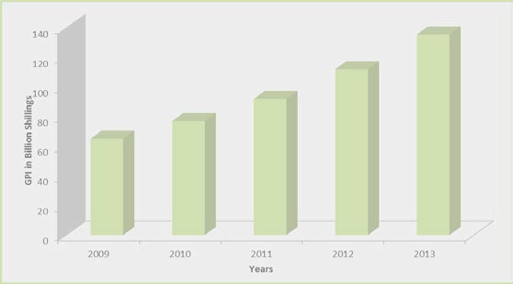
Figure 1: Trend of gross premium income for 2009-2013
2.0 Key Industry Developments The Authority has continuously taken measures that address the challenges faced in Kenya’s insurance industry as well as undertake other activities of strategic importance to the industry. This is in line with the Authority’s mandate which is to regulate, supervise and develop the insurance industry in Kenya. Some of these measures and strategic activities are as follows:
2.1 Changes in legal and regulatory framework During the period under review, legal and regulatory changes were brought about by the publication of: (a) The Insurance (Amendment) Bill, 2013 (b) The Insurance (Insurance Appeals Tribunal) Rules, 2013 (a) The Insurance (Amendment) Bill, 2013 The following are the changes to the Insurance Act as extracted from the Insurance (Amendment) Bill of 2013:
(i) Separating the Mandate of the Authority from the Objective of Supervision: The Insurance Act in Section 3A is amended by deleting paragraph (d) & (e) and creating a new subsection (2) on the objects of supervision. The amendment has an implication of separating the mandate and function of the Authority from the objectives of supervision as required by Insurance Core Principle 1 issued by the International Association of Insurance Supervisors (ii) Restriction of Foreign Ownership for Insurance Companies and Brokers: The Insurance Act is amended in section 22 which provides for the ownership of insurers to replace the word ‘Kenya’ with ‘a partner state of the East African Community’ wherever it appears; By further amending section 23 (4) of the Act to provide that not less than a third of share capital of the insurer to be owned by the citizens of East Africa Community Partner states and by replacing the word ‘Kenya’ with ‘citizens of the East African Community Partner States’ in section 153(2) in respect to ownership of insurance brokers.
These amendments allow for earlier compliance with East Africa Community Common Market Protocol that requires the removal of all restrictions on free movement of people, goods and services by 2015. Further, it opens up the insurance industry to the citizens of the East African Community.
(iii) Reinsurance: The Insurance Act is amended in Section 29 to provide for the insurers to put in place reinsurance strategies and arrangements and in subsection (2) of section 197A by deleting item (b). The implication of these amendments being that under the risk based supervisory model the approval of reinsurance arrangements will be based on the reinsurance strategy developed by the board of the insurers based on their risk appetite and further that the Reinsurance Premium Levy will no longer be paid by insurers to the Authority.
(iv) Submission of Accounts and Statements: The Insurance Act is amended in section 54 by inserting a new
subsection (6) to provide for an offence and in section 61(1) by replacing the words “four months” with “three months” in respect to the period within which insurers are required to submit their financial statements to the Commissioner after the end of the period to which they relate. This is meant to provide for criminal offence for failure to submit the accounts and statements and further to provide for earlier submission and analysis of the financial position of the insurer for timely remedial action.
(v) Statutory Management: The Insurance Act is amended by amending section 67C in subsection (2) by replacing the word “any person” in paragraph (i) with the words “a competent person familiar with the business of the insurer and further amending subsection (10) by exempting the sum due as a contribution or penalty to Policy Holder Compensation Fund from the Moratorium. These amendments are meant to limit the appointment of the statutory manager to a competent person familiar with the business of the insurer and further the Bill exempts the sum due as a contribution or penalty to Policy Holder Compensation Fund subject to Moratorium.
(vi) Fit and Proper Test: The Insurance Act is amended by repealing section 68A and replacing with a new section 68A to empower the Authority to carry out fit and proper test on a person managing, controlling, or having significant interest on the insurer based on professional, financial and moral suitability. This amendment will empower the Authority to carry out suitability test on persons managing, controlling, or having significant interest in the insurer based on professional, financial and moral fitness.
(vii) Removal of restriction on agents: Section 153 (5) of the insurance Act is repealed to remove the restriction on ownership of insurance agency business.
(viii) Insurance Appeals Tribunal: The Insurance Act is amended by deleting section 146(2) which refers to an appeal against refusal by the Kenya Reinsurance Company to accept reinsurance business and by amending section 169 to provide for a Vice Chairman of the Tribunal.
(ix) Implementation of the Constitution: The Insurance Act is amended in sections 174 & 204 of the Insurance Act to replace the word “Attorney-General” with the word “Director of Public Prosecution” in order to harmonize the prosecutorial powers of Director of Public prosecution in accordance with the provisions of Constitution of Kenya, 2010.
(x) The Policyholders Compensation Fund: The Insurance Act is amended in section 179 by substituting the word “policyholder” with the word “claimant” and in subsection 2A, by inserting the object of the Fund to participate in statutory management and liquidation of an insurer.
(b) The Insurance (Insurance Appeals Tribunal) Rules, 2013 The insurance Appeals Tribunal regulations were repealed and replaced by new set of regulations which took into account the developments in the operations of tribunals in Kenya and in particular the creation of the position of Vice-Chairperson. The regulations create a clear appeal process and the manner of dealing with the appeal and any interim applications that may arise.
2.2 Industry circulars and guidelines The Authority issued various circulars and guidelines through which specific issues were addressed.
(a) Circulars In the year 2013, the Authority issued numerous circulars including: i. Changes in the insurance regulations and schedules to all insurance companies and reinsurance companies vide Circular No. IC, RE & IB 01/2013 ii. Submission of monthly premium levy returns to all insurance companies and insurance brokers vide Circular No. IC & IB 02/2013. iii. Submissions of monthly summary of claims returns to all insurance companies vide Circular No. IC 03/2013. iv. Reinsurance proposals for the year 2014 to all insurers vide Circular No. IC& RE 04/2013. v. Standardized Insurance Policies to all insurers and reinsurers vide Circular No IC, RE & IB 04/2013 vi. Application for renewal of registration to all insurers and reinsurers vide Circular No. IC & RE 05/2013 for the year 2014. vii. Application for renewal of registrations medical insurance providers for the year 2014 to all medical insurance providers vide Circular No. MIP/06/2013. viii.Renewal of registration as an insurance broker for the year 2014 to all insurance brokers vide Circular No. IB/07/2013. ix. Renewal of registration for the year 2014 for insurance agents vide Circular No. 1C/08/2013. x. Application for renewal of registration for the year 2014 to all claims settling agents, insurance surveyors, loss adjusters, insurance investigators and risk managers vide Circular No. IA/09/2013. xi. Go-Live requirements for the Electronic Regulatory System (ERS) to all insurance companies and reinsurance companies vide Circular No. IC& RE 10/2013. xii. Long term agreements for mega risks to all insurance companies vide Circular No. IC 11/2013. xiii.Oil & gas insurance business to all insurance companies, reinsurance companies, insurance brokers and other intermediaries vide Circular No. IC 12/2013.

(b) Guidelines Several guidelines were issued during the year 2013 by the Authority. These guidelines aim at enhancing efficiency, transparency and disclosure of information to stakeholders. The guidelines issued during the year were: i. Reinsurance arrangements guidelines. ii. Guidelines on Actuarial Function.
iii. Risk management and internal controls guidelines. iv. Guidelines on External Auditors. v. Guidelines on suitability of key persons. vi. Guidelines on valuation of technical liabilities for general insurers. vii. Insurance risk guidelines. viii. Guidelines on market conduct for insurers.
2.3 Risk based supervision and electronic regulatory system Over the last few years the need for transparency and accountability, stronger regulatory and compliance regime and greater requirement for sustainable use of resources have been on the focal point. The Authority adopted Risk Based Supervision approach that places strong emphasis on understanding the adequacy of insurer’s risk management systems.
In this regard, the Authority needed a dynamic supervisory system to achieve its mandate of effective and efficient regulation. The Authority with support of Financial and Legal Sector Technical Assistance Program (FLSTAP) acquired an Electronic Regulatory System (ERS). The ERS is a web based solution, with enterprise level security for online submission and supervision of the regulated entities. It enables multiple classes of users to input and review data with real-time validation.
The Authority conducted several trainings on ERS during the year 2013 for various stakeholders including internal and external users.
The Authority is currently receiving financial returns and documents through the online digital platform. The ERS has made insurance supervision more effective and efficient.
2.4 Insurance fraud investigation unit The Insurance Fraud Investigation Unit (IFIU), established in 2011 by the Authority to deal with cases of fraud in the insurance industry, beefed its operations in line with its mandate which has since resulted in declining levels of insurance related offences especially fraud as seen in the following table. The unit received reports and detected cases of insurance fraud totaling to 57 during the year 2013 compared to 133 similar cases in 2012.
The nature of the insurance fraud reports/cases and the numbers are as itemized in table 3.

Table 5
Table 3: Reported Insurance fraud cases
Classification | Nature of Reports/Cases | 2012 |  | 2013
 |  | Cases | Total | Cases | Total
Motor | Fraudulent accident claims | 10 | 35 | 4 | 21
 | Forged insurance certificates | 8 |  | 3
 | Fraudulent theft insurance claims | 17 |  | 14
Medical | Fraudulent claims | 6 | 6 | 3 | 3
Agents | Theft by insurance agents | 30 | 38 | 6 | 6
 | Commission fraud by agents | 5 |  | 0
 | Complaint against agents | 3 |  | 0
Insurance Companies | Theft by employees | 7 | 10 | 10 | 10
 | Complaints against insurance companies | 3 |  | 0
Workmen’s compensation | Fraudulent claims | 22 | 22 | 6 | 6
Advocates/auctioneers | Complaint against advocates/auctioneers | 5 | 5 | 1 | 1
Funeral last expenses | Fraudulent funeral claim | 9 | 9 | 2 | 2
Others | Operating without registration | 1 | 8 | 5 | 8
 | Fraudulent fire claim | 1 |  | 0
 | Investment schemes claims | 1 |  | 0
 | Others | 5 |  | 3
Total |  |  | 133 |  | 57
Source: IRA statistics The distribution of reported insurance fraud cases is as shown in Figure 2. Figure 2: Distribution of insurance fraud cases
The Unit cited various measures that if implemented could facilitate the efficiency and effectiveness of its operations in alleviating insurance fraud and related offences. These include:
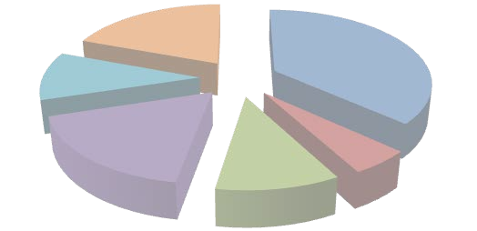 Reported insurance fraud cases Others 19% Motor insurance Workmen’s 37% compensation 11% Insurance Companies 18% Agents 10% Medical insurance 5%
• Initiating information sharing platform for the insurance industry where fraud related • information can be shared
3.0 Industry Regulation And Supervision Insurance regulation is carried out under the Insurance Act, CAP 487, Laws of Kenya and other relevant laws. 3.1 Registration of insurers All insurance companies are required to apply for renewal of registration to conduct business in the succeeding year by 30th September of every year. All companies had applied for renewal of registration for year 2014 by the specified date. During the year, GA Life Assurance and Takaful Insurance of Africa applied for licenses to conduct long term insurance business which were granted. Table 4 shows the number of insurers that transacted various types of insurance business in 2013: Table 4: Number of registered insurers

Table 9
Item | Years
 | 2009 | 2010 | 2011 | 2012 | 2013
Life Fund (Before Distribution) | 84,770,767 | 101,344,236 | 115,978,803 | 144,776,317 | 141,207,586
Net actuarial Liabilities | 73,290,929 | 82,886,541 | 96,907,323 | 122,688,634 | 121,780,008
Total Surpluses | 11,715,660 | 18,457,695 | 19,071,480 | 22,087,683 | 18,174,023
Surplus to Policyholders | 3,504,993 | 4,065,334 | 3,790,997 | 7,485,362 | 5,330,934
Surplus to Shareholders | 728,913 | 1,801,964 | 1,843,176 | 2,532,330 | 1,000,390
Surplus to Reserves | - | - | - | - | 1,561,768
Surplus Carried forward | 7,481,754 | 12,589,614 | 13,437,307 | 12,069,991 | 11,752,754
Amounts in ‘000’ KES.
The following figure shows the trends in life fund, net actuarial liabilities and surplus for the years 2009-2013 Figure 3: Trend of life fund, net actuarial liabilities and total surplus
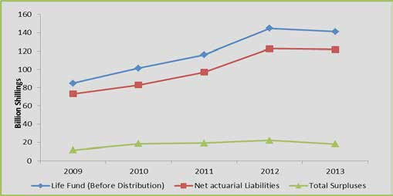
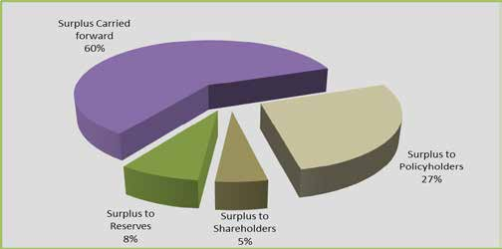
The following chart shows the distribution of the surplus arising from actuarial valuation of the life fund and liabilities Figure 4: Distribution of surplus

Table 10
4.0 Industry Performance - Insurers The Performance of The Insurance Industry is analysed as follows: 4.1 Long term insurance business Long term insurance business comprises bond investment, industrial life, ordinary life and superannuation. Superannuation is further subdivided into group life and pensions. 4.1.1 Performance indicators The following table shows the various long term insurance business performance indicators for the last five years.
Table 9 : Summary of long term insurance performance4
Indicators | Years
 | 2009 | 2010 | 2011 | 2012 | 2013
Ordinary Life
Gross Direct Premium | 9,523,754 | 10,954,291 | 12,510,562 | 14,361,063 | 17,682,186
Outward Reinsurance | 107,946 | 199,769 | 246,320 | 265,166 | 214,337
Net Premiums | 9,415,808 | 10,754,522 | 12,264,242 | 14,095,897 | 17,467,849
Management expenses | 3,185,153 | 3,388,252 | 3,752,333 | 4,342,838 | 4,812,902
Net Commissions | 1,640,512 | 1,827,375 | 2,336,060 | 2,618,346 | 3,078,308
Life Fund | 26,447,558 | 39,444,425 | 36,235,961 | 58,048,693 | 58,656,946
Group Life
Gross Direct Premium | 14,140,892 | 7,883,344 | 7,494,063 | 9,951,810 | 10,652,996
Outward Reinsurance | 1,240,376 | 1,609,163 | 1,891,372 | 2,215,022 | 2,516,924
Net Premiums | 12,900,516 | 6,274,181 | 5,602,691 | 7,736,788 | 8,136,072
Management expenses | 1,305,013 | 1,333,750 | 1,511,300 | 1,552,662 | 1,868,943
Net commissions | 427,377 | 628,678 | 295,171 | 146,126 | 219,308
Life Fund | 50,817,522 | 16,648,087 | 25,776,856 | 15,328,100 | 5,825,954
Pensions
Gross Direct Premium |  | 8,312,485 | 11,544,273 | 12,872,244 | 16,089,229
Outward Reinsurance |  | 0 | 0 | 0 | -
Net Premiums |  | 8,312,485 | 11,544,273 | 12,872,244 | 16,089,229
Management expenses |  | 403,474 | 367,359 | 617,156 | 955,921
Net commissions |  | 70,093 | 53,060 | 197,432 | 134,548
Life Fund |  | 43,902,454 | 47,040,962 | 71,348,148 | 72,746,600
Amounts in ‘000’ KES
4. It is a requirement that all Kenyan long term reinsurance business be placed with local reinsurers as guided by Circular No. IC & RE 2/2008

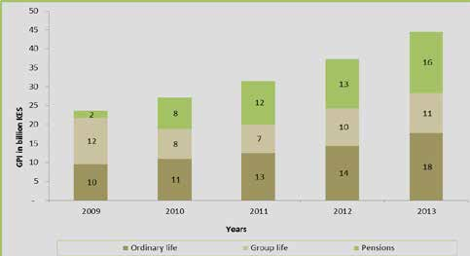
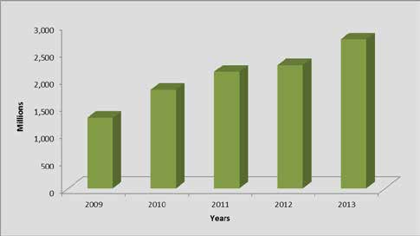
The total premium income under long term insurance business for the year 2013 amounted to KES 44.42 billion. The year- on-year growth during this period was 19.5% (2012: KES 37.19 billion). Of the total GDP, ordinary life business premiums accounted for 38.9%, group life accounted for 24% while pensions accounted for 36.2%. The composition and trend of GDP per class of long term business is as shown in figure 5. Figure 5: Trend and composition of GDP
The following chart shows the general trend of long term outward reinsurance premium over the last five years. Figure 6: Trend of long term outward reinsurance for the years 2009 – 2013
Management expenses grew by 17.3% from KES. 6.51 billion in 2012 to KES 7.64 billion in 2013. The life fund decreased in 2013 by 5.2% to KES 137.23 billion (2012: KES 144.72 billion).
4.1.2 Claims and policyholders’ benefits In 2013, a total of KES 20.83 billion was paid out and/or accrued to policyholders as claims and benefits compared to KES 16.15 billion for 2012. This was a growth of 28.9%. Total claims amounted to KES 10.65 billion and constituted 51.1% of the total benefits to policyholders.

Table 11
Table 10: Claims and policyholder benefits
Benefits | Years
 | 2009 | 2010 | 2011 | 2012 | 2013
Total Claims | 4,764,421 | 7,475,460 | 6,413,181 | 6,295,722 | 10,652,661
Surrenders | 718,272 | 786,445 | 1,150,154 | 1,304,641 | 2,641,572
Withdrawals | 4,573,679 | 4,863,268 | 6,924,560 | 6,754,337 | 5,661,450
Bonuses paid | 444,600 | 509,473 | 608,785 | 722,181 | 949,061
Annuities | 557,924 | 608,265 | 745,799 | 1,075,413 | 921,847
Total benefits | 11,058,896 | 14,242,911 | 15,842,479 | 16,152,294 | 20,826,591
Amounts in ‘000’ KES
The following figure shows distribution of claims and policyholders’ benefits.
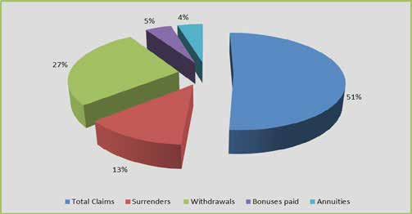
Figure 7: Distribution of long term insurance benefits
4.2 General insurance business The following is the analysis of performance of general insurance business. 4.2.1 Gross direct premium income The insurance industry’s total gross direct premium income under general insurance business amounted to KES 84.77
billion compared to KES 72.91 billion in 2012. This was a growth of16.3% which was lower than the growth witnessed in the previous year of 24%. However, the five year average growth was of 20.1%. Gross direct premium income per class of general insurance business is shown in the following table.

Table 12
Table 11 : GDP per class of general insurance business
Class of business | Years
 | 2009 | 2010 | 2011 | 2012 | 2013
Aviation | 479,388 | 528,500 | 623,580 | 790,955 | 1,127,429
Engineering | 1,131,771 | 1,396,657 | 1,849,865 | 2,339,157 | 2,776,577
Fire Domestic | 772,006 | 864,520 | 993,743 | 1,119,610 | 1,272,835
Fire industrial | 4,036,802 | 4,671,847 | 5,398,668 | 6,574,405 | 7,637,802
Liability | 910,197 | 1,209,120 | 1,259,285 | 1,354,558 | 1,560,128
Marine | 1,626,456 | 2,050,695 | 2,316,951 | 2,579,984 | 2,775,148
Motor Private | 6,773,327 | 9,625,238 | 11,363,320 | 12,424,520 | 13,909,445
Motor Commercial | 9,809,617 | 12,975,659 | 15,500,186 | 17,391,014 | 19,536,285
Personal Accident | 8,071,184 | 2,580,343 | 2,611,184 | 3,007,419 | 3,250,304
Theft | 1,947,954 | 2,193,192 | 2,501,561 | 2,866,936 | 3,289,650
Workmen’s Compensation | 3,069,660 | 3,393,606 | 3,795,408 | 4,141,555 | 4,666,576
Medical | - | 6,864,184 | 8,515,103 | 16,140,769 | 20,507,131
Miscellaneous | 1,253,592 | 1,405,307 | 1,969,662 | 2,177,179 | 2,456,310
Total | 39,881,954 | 49,758,868 | 58,698,516 | 72,908,062 | 84,765,620
Amounts in ‘000’ KES
Analysis of GDP income performance over the five years period commencing 2009 shows a steady growth as illustrated in the following figure.
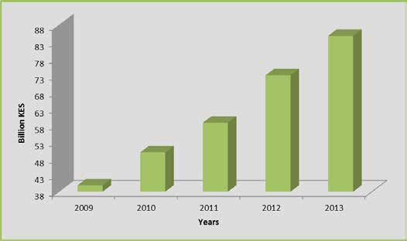
Figure 8: Trend of GDP
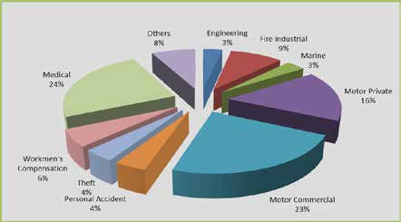
4.2.2 Class-wise distribution of GDP There has been a significant growth in medical insurance premiums over the years that has seen this class top the general insurance business category in terms of premium income. In 2013, the class commanded 24% of the total GDP under general insurance business. The motor classes followed with motor commercial at 23% while motor private commanded 16% of total industry GDP under general insurance business. The ensuing figure shows the distribution of GDP per class of general insurance business for the year 2013. Figure 9: GDP per class of general insurance business

Table 13
4.2.3 Inward reinsurance premiums In the year 2013, inward reinsurance premiums amounted to KES 1.89 billion increasing marginally by 4% from KES 1.82 billion recorded in 2012 as shown in the following table:
Table 12: Inward reinsurance premiums
Class of business | Years
 | 2009 | 2010 | 2011 | 2012 | 2013
Aviation | - | 3561 | 53,143 | 4,585 | 13,039
Engineering | 179,086 | 139,552 | 161,808 | 264,122 | 157,437
Fire Domestic | 10,461 | 735 | 812 | 823 | 1,063
Fire industrial | 375,595 | 395,693 | 591,401 | 653,515 | 648,339
Liability | 29,511 | 18,857 | 30,199 | 32,893 | 61,294
Marine | 76,980 | 57,210 | 81,792 | 72,702 | 83,991
Motor Private | 16,895 | 24,836 | 137,606 | 318,954 | 344,492
Motor Commercial | 3,956 | 4,449 | 3,690 | 5,403 | 11,099
Personal Accident | 183,780 | 49,388 | 70,284 | 47,696 | 50,325
Theft | 47,924 | 56,155 | 68,415 | 68,023 | 46,386
Workmen’s Compensation | 13,526 | 50,579 | 41,754 | 15,608 | 11,005
Medical | - | 88,706 | 151,008 | 183,601 | 272,799
Miscellaneous | 152,981 | 107,500 | 167,106 | 150,265 | 190,439
TOTAL | 1,090,695 | 997,221 | 1,559,018 | 1,818,191 | 1,891,708
Amounts in ‘000’ KES.
The trend of inward reinsurance premiums under general insurance business is shown in the following figure.
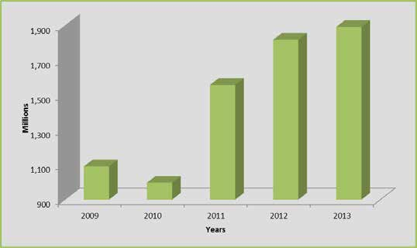
Figure 10: Trend of inward reinsurance premium incomes
Fire industrial (KES 648.34 million), motor private (KES 344.49 million) and medical (KES 272.8 million) classes of general insurance business accounted for most of the inward reinsurance premiums.
4.2.4 Outward reinsurance premiums The following table summarizes the outward reinsurance premiums under general insurance business.

Table 15
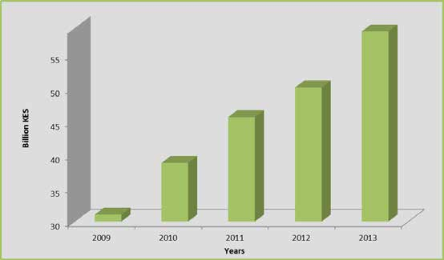
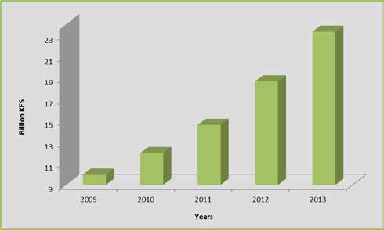
Figure 11: Trend of outward reinsurance premium
4.2.5 Net earned premium The table below summarizes the class-wise net earned premiums for the period 2009-2013. Table 14: Net earned premium for the period 2009- 2013
Class of business | Years
 | 2009 | 2010 | 2011 | 2012 | 2013
Aviation | 9,873 | 10,114 | 3,449 | 26,029 | 8,261
Engineering | 299,020 | 437,011 | 540,835 | 534,865 | 561,960
Fire Domestic | 583,087 | 664,661 | 758,265 | 850,376 | 928,306
Fire industrial | 1,031,679 | 1,192,298 | 1,435,497 | 1,543,956 | 1,947,678
Liability | 489,280 | 581,444 | 716,079 | 645,319 | 764,752
Marine | 937,741 | 1,097,986 | 1,162,775 | 1,318,533 | 1,559,600
Motor Private | 6,424,022 | 9,237,832 | 11,040,389 | 11,917,431 | 12,829,358
Motor Commercial | 9,149,978 | 12,265,013 | 14,809,532 | 16,208,245 | 17,659,666
Personal Accident | 7,096,860 | 1,891,586 | 2,011,145 | 1,849,835 | 2,125,788
Theft | 1,325,685 | 1,487,060 | 1,616,643 | 1,750,758 | 2,014,637
Workmen’s Compensation | 2,927,923 | 3,300,084 | 3,708,056 | 3,885,033 | 4,284,463
Medical | - | 5,838,676 | 6,685,368 | 8,440,074 | 12,433,137
Miscellaneous | 748,573 | 773,094 | 1,169,425 | 1,127,315 | 1,398,108
TOTAL | 31,023,721 | 38,776,859 | 45,657,457 | 50,097,768 | 58,515,714
Amounts in ‘000’ KES.
During the year, the insurance industry’s net earned premiums amounted to KES 58.52 billion compared to KES 50.1 billion in 2012 representing a 16.8% increase. Motor Commercial was the leading with KES 17.66 billion of earned premium income.
The trend of net earned premiums is illustrated in the following figure.
Figure 12: Trend of net earned premium
4.2.6 Incurred claims The general insurance business underwriters incurred claims to the tune of KES 34.17 billion increasing by 16% from KES 29.47 billion incurred in 2012. Out of the total industry incurred claims, the motor classes of general insurance business jointly contributed KES 18.05 billion (52.8% of total incurred claims). Medical class of general business incurred claims of KES 9.26 billion (27.1% of total incurred claims).

Table 16
A summary of incurred claims under general insurance business is shown in the following table.
Table 15: Incurred claims per class of business
Class of business | Years
 | 2009 | 2010 | 2011 | 2012 | 2013
Aviation | (4,780) | 2,875 | 4,559 | 4,377 | 15,144
Engineering | 171,451 | 220,936 | 224,916 | 263,547 | 301,706
Fire Domestic | 171,540 | 223,409 | 221,795 | 273,636 | 337,000
Fire industrial | 515,199 | 471,768 | 554,027 | 699,653 | 803,448
Liability | 230,038 | 251,310 | 432,049 | 405,070 | 253,807
Marine | 481,171 | 723,078 | 694,652 | 811,209 | 560,436
Motor Private | 5,123,107 | 5,883,767 | 6,343,600 | 7,749,039 | 8,784,204
Motor Commercial | 5,300,235 | 6,531,196 | 7,343,727 | 8,687,282 | 9,271,908
Personal Accident | 4,602,438 | 573,295 | 763,953 | 747,349 | 884,041
Theft | 756,822 | 650,411 | 985,887 | 1,124,063 | 1,143,607
Workmen’s Compensation | 1,007,198 | 1,468,409 | 1,997,763 | 1,873,414 | 2,024,589
Medical | - | 4,479,354 | 5,248,086 | 6,538,485 | 9,260,252
Miscellaneous | 227,644 | 149,063 | 353,927 | 288,626 | 529,996
TOTAL | 18,582,063 | 21,628,871 | 25,168,942 | 29,465,751 | 34,170,138
Amounts in ‘000’ KES.
Figure 13 shows the class wise distribution of claims incurred per class of general insurance business in the year 2013.
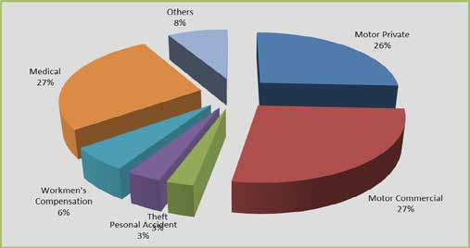
Theft
3% Personal Accident
3%
Figure 13: Class-wise distribution of incurred claims

Table 17
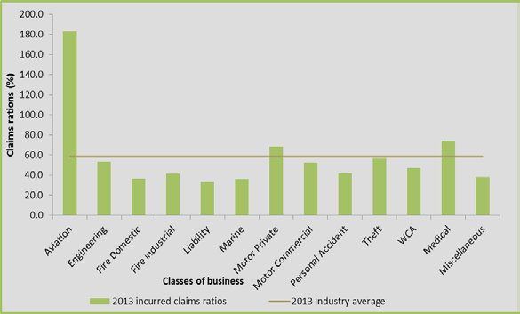
4.2.7 Incurred claims ratios The insurance industry loss ratio improved marginally between the years 2012 and 2013 to stand at 58.4% (2012 : 58.8%). The aviation class of general insurance business had the highest incurred claims ratio of 183.3% followed by medical class with 74.5%. The following classes of general insurance business incurred claims ratios higher than the industry average; aviation (183.3%), medical (74.5%) and motor Private (68.5%). Table 16 presents the percentage incurred claims ratios per class of general insurance business for the past five years.
Table 16: Incurred claims ratios
Class of business | Years
 | 2009 | 2010 | 2011 | 2012 | 2013
 | (%) | (%) | (%) | (%) | (%)
Aviation | -48.8 | 58.8 | 65.0 | 16.8 | 183.3
Engineering | 50.0 | 44.7 | 51.7 | 49.3 | 53.7
Fire Domestic | 30.7 | 34.9 | 31.9 | 32.2 | 36.3
Fire industrial | 53.6 | 55.5 | 41.5 | 45.3 | 41.3
Liability | 46.0 | 42.9 | 66.7 | 62.8 | 33.2
Marine | 51.5 | 53.4 | 61.4 | 61.5 | 35.9
Motor Private | 86.3 | 75.5 | 61.2 | 65.0 | 68.5
Motor Commercial | 61.7 | 55.1 | 53.3 | 53.6 | 52.5
Personal Accident | 68.9 | 40.9 | 38.8 | 40.4 | 41.6
Theft | 60.0 | 48.4 | 63.4 | 64.2 | 56.8
Workmen’s Compensation | 37.7 | 45.4 | 56.8 | 48.2 | 47.3
Medical | - | 79.2 | 82.7 | 77.5 | 74.5
Miscellaneous | 29.8 | 24.4 | 38.0 | 25.6 | 37.9
Industry average | 63.6 | 59.4 | 58.9 | 58.8 | 58.4
The following figure illustrates the class-wise incurred claims ratio against the industry average.
Figure 14: Class-wise incurred claims ratio and the industry average
4.2.8 Underwriting Results The industry’s general insurance business registered an underwriting profit of KES 3.4 billion in 2013 compared to KES 3.11 billion in the previous year. This represented 9.5% year-on-year growth. The underwriting results have been on an upward trend since 2009.
The motor private class has persistently recorded underwriting losses since 2009 except in 2011 when it made an underwriting profit of KES 278.95 million. In 2013, it was the only class that recorded an underwriting loss (KES 693.88 million). On the contrary, motor commercial class recorded the highest underwriting profit at KES 1.4 billion. The underwriting results were summarised in the ensuing table:

Table 18
Table 17: Underwriting results under general insurance business
Class of business | Years
 | 2009 | 2010 | 2011 | 2012 | 2013
Aviation | (2,326) | 12,554 | 19,169 | 26,896 | 4,944
Engineering | 99,126 | 56,703 | 88,136 | 97,177 | 80,353
Fire Domestic | 150,189 | 145,522 | 173,767 | 211,225 | 145,523
Fire industrial | 144,238 | 165,115 | 249,942 | 267,953 | 337,267
Liability | 78,746 | 81,207 | (93,442) | (98,008) | 161,704
Marine | 155,668 | 165,240 | 150,778 | 31,459 | 412,861
Motor Private | (1,392,066) | (946,017) | 278,950 | (97,923) | (693,880)
Motor Commercial | 245,181 | 587,573 | 1,420,670 | 1,597,790 | 1,403,051
Personal Accident | 185,228 | 423,123 | 301,422 | 223,070 | 192,881
Theft | 93,447 | 354,383 | 81,225 | 130,056 | 185,391
Workmen’s Compensation | 556,652 | 406,442 | 153,924 | 491,334 | 424,801
Medical | - | (520,600) | (707,640) | (277,196) | 282,523
Miscellaneous | 317,557 | 340,192 | 299,362 | 503,261 | 465,349
TOTAL | 631,640 | 1,271,437 | 2,416,263 | 3,107,093 | 3,402,768
Amounts in ‘000’ KES.
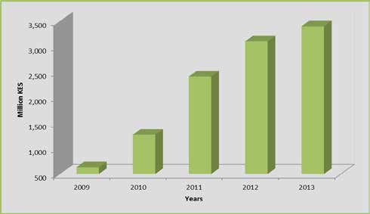
The trend of underwriting results is as shown in the following figure. Figure 15: Trend of underwriting results under general insurance business

Table 19
4.2.9 Key financial performance ratios The key financial performance indicators comprised of the following ratios: incurred claims ratio5, net commission ratio6, management expense ratio7, combined ratio8, investment income ratio9 and operating ratio10 Table 18: Various performance ratios
Ratio | Years
 | 2009 | 2010 | 2011 | 2012 | 2013
Incurred claims ratio | 63.6 | 59.4 | 58.9 | 58.8 | 58.4
Net commission ratio | 8.1 | 8.5 | 8.5 | 7.9 | 6.4
Management expense ratio | 26.1 | 26.4 | 26.9 | 27.3 | 29.3
Combined ratio | 97.8 | 94.3 | 94.3 | 94.0 | 94.2
Investment income ratio | 0.6 | 3.5 | 0.9 | 2.0 | 11.3
Operating ratio | 97.2 | 90.8 | 93.5 | 92.0 | 82.8
The combined ratio for the industry was 94.2% in the year 2013 deteriorating slightly from 94% recorded in 2012. Out of this, claims contributed 58.4%, management expenses 29.3% while commissions contributed 6.4%.
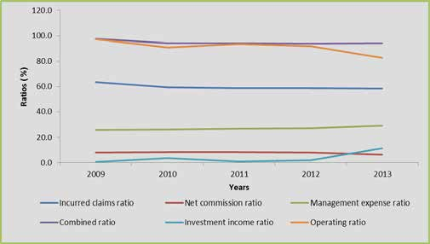
The following figure illustrates trends in net commission, management and investment income ratios for the years 2009 to 2013. Figure 16: Trend of key financial performance ratios
5. Incurred Claims Ratio = Total claims incurred/Net Earned Premiums 6. Net Commission Ratio = Net Commission/Net Earned Premiums 7. Management Expense Ratio = Underwriting Management Expenses/Net Earned Premiums 8. Combined Ratio = Incurred Claims Ratio + Net Commission Ratio+ Management Expense Ratio 9. Investment Income Ratio = Total Investment income /Net Earned Premiums 10. Operating Ratio = Combined Ratio - Investment Income Ratio
5.0 Industry Performance - Reinsurers The Reinsurers’ performance was also analysed under long term and general insurance businesses respectively. 5.1 Long term reinsurance - Inward and outward reinsurance premiums Inward reinsurance premium under ordinary life was KES 174.58 million while inward reinsurance premium under superannuation was KES 1.32 billion. The total premium for the reinsurance business was KES 1.49 billion representing an increase of 4.6% from KES 1.43 billion reported in 2012.

Table 20
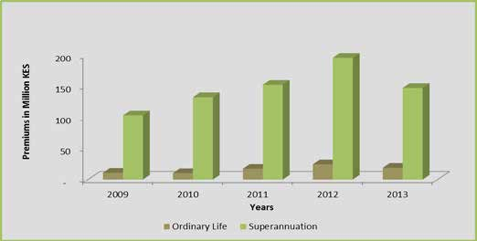
Outward reinsurance premium retroceded by reinsurance companies during the year 2013 amounted to KES 165.23 million compared to KES 219.3 million in 2013 representing a decrease of 24.6%. The following table shows a summary of key performance indicators under long term reinsurance business.
Table 19: Summary of long term re-insurance performance indicators
Item | Years
 | 2009 | 2010 | 2011 | 2012 | 2013
Ordinary Life
Inward reinsurance premium | 58,171 | 67,663 | 114,162 | 155,570 | 174,580
outward reinsurance premium | 10,900 | 10,335 | 17,257 | 24,190 | 18,743
Net premium income | 47,894 | 57,328 | 96,905 | 131,380 | 155,837
Management expenses | 6,577 | 6,643 | 9,913 | 15,557 | 29,506
Net commissions | 13,221 | 11,945 | 23,506 | 22,836 | 50,521
Life fund | 666,801 | 704,731 | 326,229 | 1,265,903 | 1,033,636
Superannuation
Inward reinsurance premium | 771,475 | 866,825 | 1,193,287 | 1,270,913 | 1,318,142
outward reinsurance premium | 102,847 | 131,836 | 151,557 | 195,114 | 146,482
Net premium income | 712,283 | 734,989 | 1,041,729 | 1,075,799 | 1,171,660
Management expenses | 82,353 | 81,053 | 93,546 | 115,031 | 218,806
Net commissions | 186,459 | 161,491 | 299,068 | 244,731 | 283,922
Life fund | 2,213,396 | 2,628,561 | 3,624,306 | 3,589,953 | 4,491,195
Amounts in ‘000’ KES.
The following figures show the trends of inward and outward reinsurance premiums.
Figure 17: Trend of inward reinsurance premiums
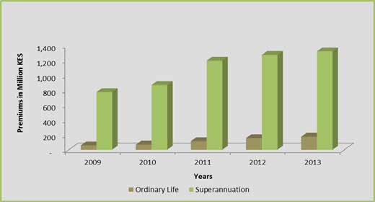
Figure 18: Trend of outward reinsurance premiums

Table 22
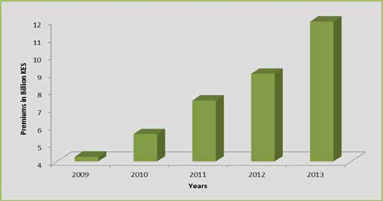
Figure 19: Trend of inward reinsurance premiums
5.2.2 Outward reinsurance premiums Outward reinsurance premiums were summarized as in the following table.
Table 21: Outward re-insurance premiums
Class of business | Years
 | 2009 | 2010 | 2011 | 2012 | 2013
Aviation | 16 | (9) | 1 | - | -
Engineering | 22,109 | 20,013 | 8,119 | 3,888 | 5,266
Fire Domestic | - | - | - | - | -
Fire industrial | 286,068 | 301,619 | 337,753 | 242,812 | 357,182
Liability | 699 | 329 | 20 | 3 | 948
Marine | 47,355 | 53,588 | 56,390 | 27,063 | 10,925
Motor Private | - | - | - | - | -
Motor Commercial | 26,583 | 34,610 | 33,589 | (3,286) | 3,676
Personal Accident | 3,747 | 5,952 | 2,983 | (521) | 408
Theft | 2,147 | 856 | (74) | (6) | 788
Workmen’s Compensation | 4 | (4) | - | - | -
Medical | - | 17,869 | 5,941 | 328 | 26,410
Miscellaneous | 54,709 | 35,290 | 19,858 | 29,573 | 67,999
TOTAL | 443,437 | 470,113 | 464,580 | 299,855 | 473,602
Amounts in ‘000’ KES.
The general reinsurance business underwriters retroceded KES 473.6 million in 2013 compared to KES 299.86 million retroceded in the previous year. This was a growth of 57.9% in retrocessions.
The outward reinsurance premiums for general reinsurance business per class for the past five years are summarized in the following figure.
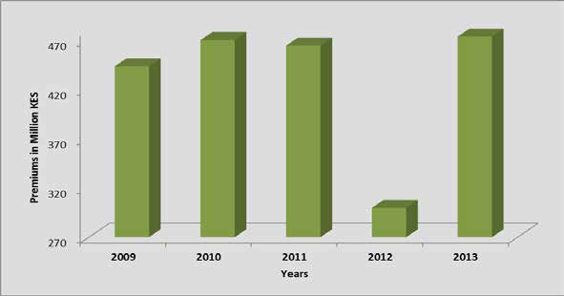
Figure 20: Trend of outward reinsurance premiums

Table 24
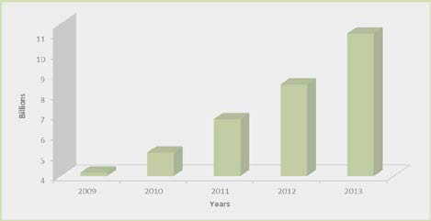
Figure 21: Trend of net earned premiums
5.2.4 Incurred Claims The table below shows a summary of the net incurred claims under general reinsurance business.
Table 23: Net incurred claims under general reinsurance business
Class of business | Years
 | 2009 | 2010 | 2011 | 2012 | 2013
Aviation | 5,329 | 14,928 | (33,863) | 20,953 | 4,133
Engineering | 84,345 | 145,137 | 200,840 | 177,012 | 232,837
Fire Domestic | 217 | 774 | 1263 | (225) | 11,538
Fire industrial | 977,572 | 1,253,343 | 1,453,802 | 1,548,160 | 1,664,959
Liability | 28,791 | 11,115 | (10,123) | 28,742 | 31,314
Marine | 155,361 | 311,446 | 262,838 | 185,992 | 376,201
Motor Private | 4,487 | (11,340) | (2,478) | 2,740 | 5,722
Motor Commercial | 157,820 | (144,457) | 325,855 | 570,238 | 432,613
Personal Accident | 111,000 | 331,357 | 380,068 | 462,246 | 538,145
Theft | 177,317 | 228,126 | 134,813 | 402,308 | 538,168
Workmen’s Compensation | (2,135) | (9,061) | 6,315 | (14,968) | 9,833
Medical | - | 33,219 | 344,329 | 1,212,814 | 1,594,012
Miscellaneous | 210,262 | 126,899 | 167,760 | 265,421 | 399,738
TOTAL | 1,910,366 | 2,291,486 | 3,241,542 | 4,861,432 | 5,839,213
Amounts in ‘000’ KES.
Generally claims incurred under general reinsurance business have maintained an upward trend in all the years under analysis to stand at KES 5.84 billion in 2013. The year-on-year growth during this period was 20.1% (2012: KES 4.86 billion). The largest claims incurred amounts were recorded under fire industrial (KES 1.66 billion) and medical insurance (KES 1.59 billion) during the year.
The following figure is a graphical representation of the trend of incurred claims under general reinsurance business for the years 2009-2013.
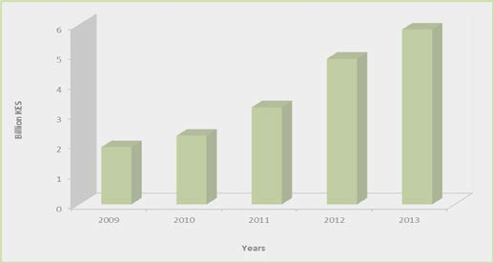
Figure 22: Trend of incurred claims under general reinsurance business

Table 25
5.2.5 Net incurred claims ratios The following table displays the class-wise net incurred claims ratios:
Table 24: Trend of net incurred claims ratios
Class of business | Years
 | 2009 | 2010 | 2011 | 2012 | 2013
Aviation | 42.4 | 61.6 | -191.8 | 281.5 | 38.9
Engineering | 21.5 | 31.8 | 30.6 | 21.8 | 26.8
Fire Domestic | 3.4 | 19.7 | 33.3 | -7.1 | 269.0
Fire industrial | 62.1 | 61.3 | 57.6 | 51.8 | 43.2
Liability | 59.1 | 21.9 | -14.7 | 32.8 | 25.6
Marine | 47.9 | 60.3 | 47.6 | 28.6 | 45.9
Motor Private | 89.8 | -146 | -24.9 | 24.4 | 41.1
Motor Commercial | 44.4 | -30.7 | 55 | 91.1 | 64.5
Personal Accident | 54.9 | 83.1 | 82.4 | 97.1 | 76.8
Theft | 60.8 | 64.2 | 29.6 | 73.7 | 87.2
Workmen's Compensation | -167.9 | -2,064 | 165.50 | 1,098.8 | 142.6
Medical | - | 61.6 | 79.6 | 104.9 | 87.4
Miscellaneous | 46.4 | 30.9 | 32.2 | 41.2 | 39.9
Industry Average | 50.68 | 49.3 | 51.3 | 60.7 | 55.6
The overall industry net incurred claims ratio improved from 60.7% in 2012 to 55.6% in 2013. Some classes experienced loss ratios exceeding 100% including fire domestic (269%) and workmen’s compensation (142.6%). In total, seven classes of general reinsurance business had loss ratios greater than the industry average.
Figure 23 shows the class-wise incurred claim ratios and the industry average.
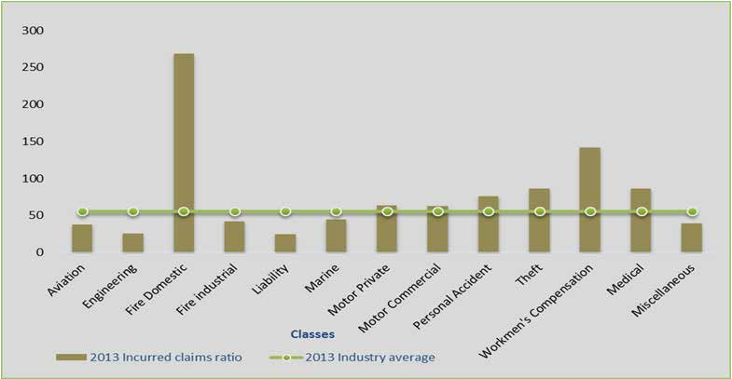
Figure 23 Class-wise incurred claims ratios and the industry average.
5.2.6 Underwriting results The general reinsurance business underwriters reported underwriting profits amounting to KES 233.57 million during the year 2013. This was a tremendous improvement compared to KES 15.3 million reported in the previous year.
The loss-making classes under general reinsurance business included medical insurance (KES 672.21 million), theft (KES 205.26 million), personal accident (KES 109.2 million) and fire domestic (KES 9.18 million). A commendable level of profitability was witnessed in the fire industrial class of general reinsurance business at KES 560.77 million.

Table 26
The underwriting results for general reinsurance business for the five year period are summarized in the ensuing table. Table 25: Underwriting results under general reinsurance business
Class of business | Years
 | 2009 | 2010 | 2011 | 2012 | 2013
Aviation | 3,153 | 1,788 | 44,872 | (14,179) | 3,331
Engineering | 135,599 | 110,975 | 168,460 | 295,653 | 280,151
Fire Domestic | 3,883 | (21,731) | (14,391) | 1,762 | (9,183)
Fire industrial | (118,732) | (56,189) | (46,057) | 132,707 | 560,765
Liability | 2,914 | 23,385 | 54,398 | 27,149 | 39,519
Marine | 28,923 | (100,680) | 46,314 | 200,164 | 140,630
Motor Private | 66 | 18,302 | 11,217 | 7,146 | 3,145
Motor Commercial | 141,506 | 529,207 | 140,040 | (70,350) | 91,193
Personal Accident | 39,128 | (46,068) | (86,662) | (139,010) | (109,200)
Theft | (35,299) | (24,529) | 132,329 | (104,137) | (205,259)
Workmen’s Compensation | 3,171 | 9,334 | (3,782) | 14,077 | (4,749)
Medical | - | 5,630 | (71,605) | (457,871) | (672,213)
Miscellaneous | 65,112 | 133,616 | 118,984 | 122,190 | 115,441
TOTAL | 269,424 | 583,040 | 494,117 | 15,301 | 233,571
Amounts in ‘000’ KES.
The trend of the underwriting results for general reinsurance business for the past five years is summarized in the following figure.
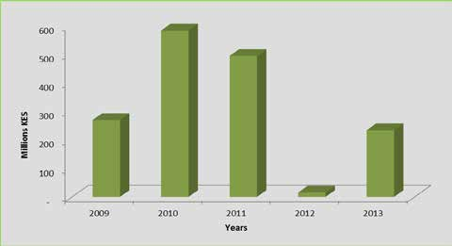
Figure 24: Trend of underwriting results under general reinsurance business

Table 27
6.0 Industry Income The following is the Breakdown of Industry Income from the various sources and lines of business. 6.1 Investment income The contribution to investment income from the various sources can be summarised as follows.
Table 26: Investment income apportionment
Gross Investment income | Years
 | 2011 | 2012 | 2013
Ordinary Life | (1,571,654) | 11,307,038 | 12,023,369
Group Life | 1,265,542 | 1,873,417 | 2,869,308
Pension | 3,760,489 | 8,482,767 | 11,883,077
General insurance | 565,228 | 1,042,389 | 8,744,727
Others (P&L) | 6,948,685 | 11,119,938 | 9,429,214
Total | 10,968,290 | 33,825,550 | 44,949,695
Amounts in ‘000’KES
The overall gross investment income during the year 2013 amounted to KES 44.95 billion increasing by 32.9% from KES 33.83 billion recorded in the year 2012.
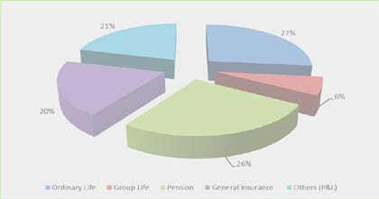
The highest contribution to total industry investment income was from the long term insurance business (with a larger proportion of total investments) at KES 26.78 billion which was 59.5% of the total industry investment income. Investment income streamed from various lines and classes of business as shown in the following figure. Figure 25: Contribution to investment income by line of business
11. This is income that is not allocated to any fund or account.
6.2 Industry profit and loss statement There was growth of 35.6% in total income11 for the industry in 2013 (KES 24.94 billion) from 2012 (KES 18.39 billion). Industry profit after tax was KES 20.24 billion increasing by 54.4% (2012: KES 13.1 billion). Taxes amounted to KES 3.2 billion during the same period. The following table shows the industry profit and loss extract for the period 2009-2013.

Table 29
The industry’s balance sheet as at 31st December 2013 is shown in the following table. Table 28: Industry consolidated balance sheet
Item | Years
 | 2009 | 2010 | 2011 | 2012 | 2013
Paid-up capital | 15,765,731 | 18,125,602 | 20,893,954 | 22,615,665 | 26,946,119
General Reserve | 2,247,812 | 3,576,248 | 5,504,387 | 13,079,353 | 15,656,285
Investment Fluctuation Reserves | 1,711,848 | 5,438,381 | 3,125,808 | 8,144,030 | 7,568,104
Un-appropriated surplus [net] | 14,754,169 | 19,280,151 | 20,592,565 | 29,084,014 | 37,276,955
Other Reserves | 6,886,886 | 1,228,398 | 10,023,915 | 4,192,699 | 13,510,566
Total Paid-Up Capital & Reserves | 41,468,967 | 58,648,780 | 60,140,629 | 77,115,761 | 100,958,029
Underwriting provisions | 121,600,807 | 148,866,737 | 168,727,797 | 215,337,752 | 240,348,529
Long term liabilities | 2,977,074 | 3,259,928 | 3,636,428 | 4,845,331 | 1,807,929
Current liabilities | 12,356,972 | 12,715,340 | 13,092,353 | 13,917,029 | 23,137,851
Total Paid-Up Capital, Reserves & Liabilities | 178,403,820 | 223,490,785 | 245,597,207 | 311,215,873 | 366,252,338
Land & Buildings | 10,225,145 | 9,047,314 | 8,340,558 | 8,392,852 | 5,776,564
Investment property | 16,154,311 | 24,072,536 | 27,836,616 | 39,320,957 | 54,257,405
Other Fixed Assets | 19,174,410 | 2,631,561 | 3,073,378 | 3,314,362 | 3,161,413
Government Securities | 33,258,662 | 59,051,255 | 75,319,772 | 94,059,797 | 120,137,735
Other Securities | 641,067 | 5,072,337 | 1,639,511 | 1,158,989 | 1,962,893
Debentures (Quoted & Unquoted) | 173,371 | 48,549 | 48,549 | 63,598 | -
Preference Shares (Quoted & Unquoted) | - | 573 | 573 | 573 | 2,931
Investment in subsidiary | 1,974,247 | 569,150 | 1,847,739 | 2,018,689 | 8,903,828
Ordinary Shares unquoted | 3,560,024 | 15,726,437 | 6,107,150 | 7,056,504 | 44,186,557
Ordinary shares quoted | 26,012,369 | 29,125,098 | 29,204,411 | 34,274,910 | 5,685,305
Loans (Secured & Unsecured) | 6,651,053 | 7,302,903 | 8,668,607 | 7,935,003 | 6,215,000
Deposits | 30,081,118 | 27,504,849 | 32,762,327 | 43,776,448 | 42,519,068
Other investments | - | 6,076,373 | 8,355,373 | 10,459,214 | 12,466,071
Outstanding Premiums | 7,966,614 | 8,033,540 | 8,491,104 | 11,700,122 | 26,385,876
Amounts due from reinsurers | 5,245,997 | 8,064,860 | 7,832,587 | 6,297,129 | 7,067,053
Cash | 2,736,242 | 4,688,057 | 4,330,430 | 4,275,655 | 6,210,675
Other Current Assets | 13,789,566 | 15,813,149 | 20,182,397 | 36,080,893 | 16,278,631
Intangible Assets | 759,624 | 662,244 | 1,556,126 | 1,030,179 | 5,035,333
Total Assets | 178,403,820 | 223,490,785 | 245,597,207 | 311,215,873 | 366,252,338
Amounts in ‘000’ KES
The insurance industry asset base has been growing steadily over the past five years. The following figure shows the trend of assets, shareholders’ funds and liabilities for the industry.
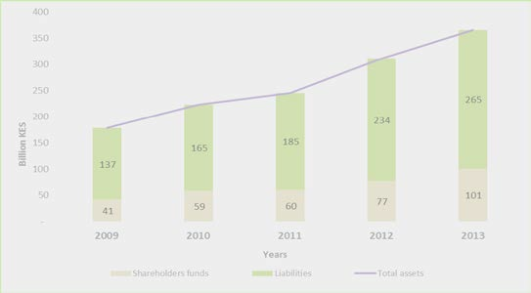
Figure 26: Trend of industry total assets, shareholders’ funds and liabilities
7.2 Industry investment channels The total investments for the industry as at the end of the year 2013 amounted to KES 296.34 billion compared to KES 240.12 billion in 2012, an increase of 23.4%. The composition of industry investment channels is as summarised in the ensuing table:

Table 30
Table 29: Industry investment channels
Investment Channels | Years
 | 2009 | 2010 | 2011 | 2012 | 2013
Investment property | 16,154,311 | 24,072,536 | 27,836,616 | 39,320,957 | 54,257,405
Government Securities | 33,258,662 | 59,051,255 | 75,319,772 | 94,059,797 | 120,137,735
Other Securities | 641,067 | 5,072,337 | 1,639,511 | 1,158,989 | 1,962,893
Debentures | 173,371 | 48,549 | 48,549 | 63,598 | 0
Preference Shares | 0 | 573 | 573 | 573 | 2,931
Investment in subsidiary | 1,974,247 | 569,150 | 1,847,739 | 2,018,689 | 8,903,828
Ordinary Shares | 29,572,393 | 44,851,535 | 35,311,562 | 41,331,414 | 49,871,862
Loans | 6,651,053 | 7,302,903 | 8,668,607 | 7,935,003 | 6,215,000
Deposits | 30,081,118 | 27,504,849 | 32,762,327 | 43,776,448 | 42,519,068
Other Investments | 0 | 6,076,373 | 8,355,373 | 10,459,214 | 12,466,071
Total | 118,506,222 | 174,550,060 | 191,790,627 | 240,124,681 | 296,336,793
Amounts in ‘000’ KES
A large proportion of the total industry investments were in government securities at KES 120.14 billion. The rate of growth, in the one year period, in investment property (38%) was higher than that in equity investments (20.7%) owing to the rising attractiveness of the Kenyan real estate sector.
The distribution of industry investment is as shown in the following figure:
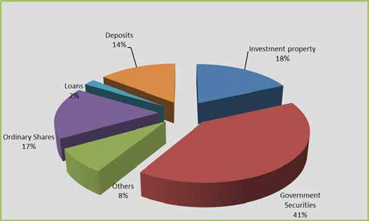
Figure 27: Distribution of industry investment
7.3.1 Industry investment channels under long term business The long term insurers commanded 62.5% (KES 185.28 billion) of the total industry investments. Government securities were the largest single investment channel used by the long term insurers at KES 88.22 billion which accounts for 47.6% of total investments under long term insurance business. The following table gives a breakdown of investments under long term insurance business.

Table 78
APPENDIX 39: DIRECTORY OF INSURANCE AND RE-INSURANCE COMPANIES IN KENYA (continued)
43 | Shield Assurance Company Ltd | Longterm | P.O Box 25093- 00100, Nairobi | (020) 2712591/2/3/6 | info@shieldassurance.co.ke | "5th Avenue Office Suites, 7th Flr 5th Avenue, Off Ngong Road" | Nairobi,Kisumu, Mombasa, Eldoret, Nyeri, View Park Towers (Nairobi) | Charles Mangee
44 | Takaful Insurance of Africa Ltd | Composite | P.O Box 1811- 00100, Nairobi | (020) 2725134/5 | info@takafulafrica.com | CIC Plaza, Mara Road, Upper Hill | CBD, Nairobi; Eastleigh, Nairobi; Mombasa, Garissa & Wajir. | Hassan Bashir
45 | Tausi Assurance Company Limited | General | P.O Box 28889- 00200, Nairobi | 0729 145 888 | client@tausiassurance.com | Tausi Court, Tausi Road, Off Muthithi Road, Westlands |  | Mrs Rita Thatthi
46 | The Jubilee Insurance Company (K) Ltd | Composite | P.O Box 30376- 00100, Nairobi. | (020) 3281000 | info@jubileekenya.com | Jubilee House, Wabera Street | Mombasa & Kisumu | Patrick Tumbo
47 | The Kenyan Alliance Insurance Co. Ltd | Composite | P.O Box 30170- 00100, Nairobi | (020) 2241620 0733 600 462 | kai@kenyanalliance.com | Chester House, Koinange Street | Mombasa; Nakuru; Kisumu; Kitui; Thika; Karatina; Machakos & Meru | Evanson Kimemia
48 | The Monarch Insurance Company Limited | Composite | P.O Box 44003- 00100, Nairobi | (020) 4292000 0705 426 931 0786 426 931 | info@monarchinsurance.co.ke | Monarch House, 664 Ole Nguruone Rd, James Gichuru Road, Lavington | Prudential House, Nairobi; Solar House, Nairobi; Thika; Kisii;Nakuru; Meru; Kisumu & Mombasa | David Maranga
49 | Trident Insurance Company Limited | General | P.O Box 55651- 00200, Nairobi | (020) 2726234 0720 600 036 | info@trident.co.ke | Capitol Hill Towers, Cathedral Road | Nairobi, Mombasa, Nakuru, Eldoret | Ag. Kennedy M. Maina
50 | UAP Insurance Company Ltd | General | P.O Box 43013 - 00100 Nairobi | 0711 065 000 (020) 2850000 | uapinsurance@uap-group.com | Bishops Garden Towers, Bishops Rd. | Nairobi, Mombasa, Nyeri, Embu, Nakuru, Eldoret, Kisumu, Meru, Machakos, Thika, Kisii | James Wambugu
51 | UAP Life Insurance Company Ltd | Longterm | P.O Box 23842- 00100, Nairobi | (020) 2850300 | life@uaplife.com | Bishops Garden Towers | Bishops Road | Nairobi,Westlands, Kisumu, Eldoret,Nakuru, Nyeri, Mombasa, Meru, Thika, Kisii | Jerim Otieno
52 | Xplico Insurance Company Ltd | General | P O Box 38106- 00623, Nairobi | 0700 111 999 | info@xplicoinsurance.co.ke | Park Place 5th Floor, Limuru Road, 2nd Parklands Avenue | Nairobi, Eldoret, Kakamega, Meru, Mombasa, Nakuru, Thika | Ag. John Waweru
 | 

